12_Enriched_CPSV-AP_UML
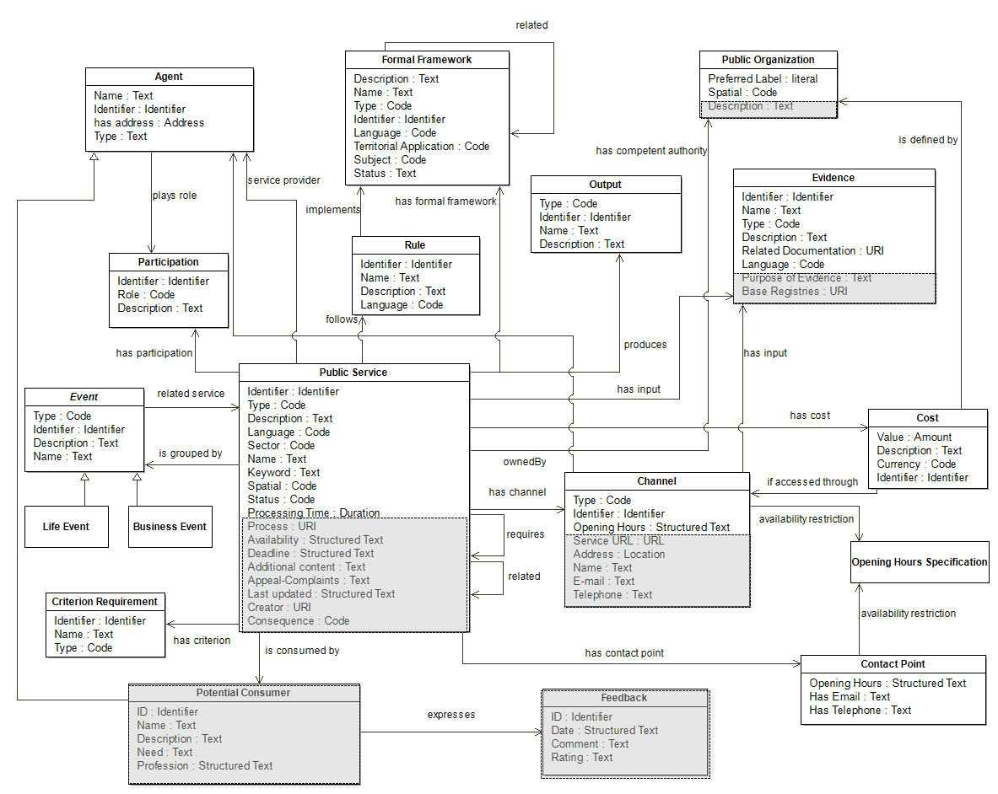
Back to contents

